Decor height
 |  | Calculation for decor height of 60cm EURO standard & extra height dishwasher
(not valid for dishwasher with heat pump or an extra-long decor panel)

Depending on niche height H, either standard or extra height appliances or only one of the two can be installed

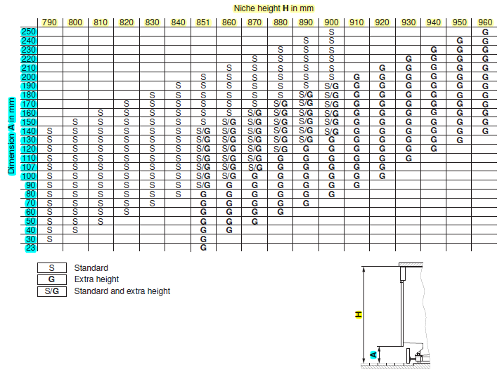

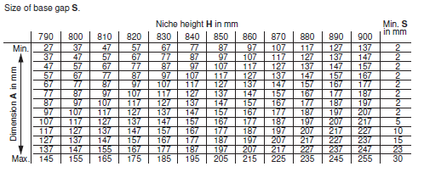
 |  |  |  |  | Chart A: Base unit "standard"
Base unit
Depth of Decor: 16 - 22mm
Legend | Description | Heigth/mm | Explanation | Where to find

H | Heigth of niche |  | Floor to worktop | Customer

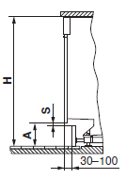
A | Plinth panel height |  | Plinth panel height | Customer

S | Size of base gap |  | See below | Chart A or B →

B | Operating panel height |  | Height of kitchen drawer | Customer |  | Chart B: Base unit "extra height"
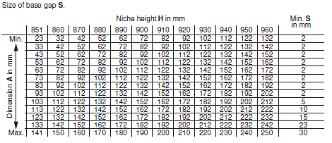
K | Compensator | 0 | Compensator out of set: 8/12/16mm | calculated

L | Installation space | 6 | Gap between appliance and worktop | Planungshilfe
 |  | 6
D | Decor size total | -6 | X 596 mm = Decor dimension | calculated
 | Spalt zw. Blende und Komp. | 0
 |  |  | For the calculation, the size of base gap is not necessairy. By production of the plinth panel, this measure has to be subtract from the plinth panel height.

 | Fill in marked fields

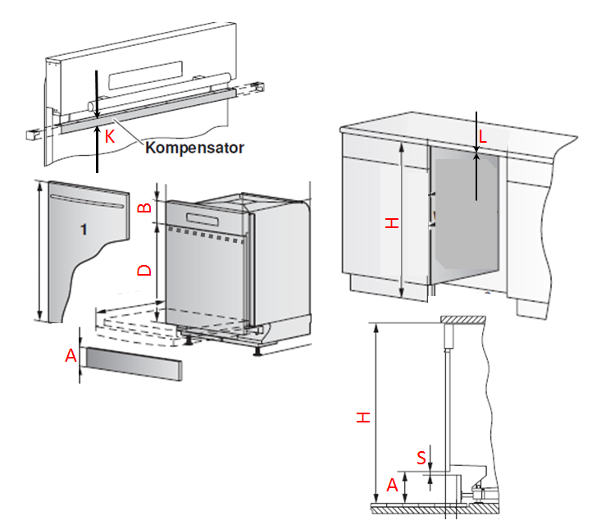
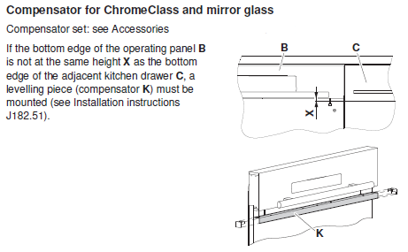
Tall unit
Depth of Decor: 16 - 22mm
Legend | Description | Height/mm | Explanation | Where to find

H | Height of niche |  | Standard: 764 / Extra height: 829 | Customer

B | Operating panel height |  | Operating panel | Customer

K | Compensator | 0 | Compensator out of set: 8/12/16mm | calculated

L | Installation space | 3 | Gap between appliance and worktop | Planning aid
 | subtract 4mm slide plate | 4 | To secure the dishwasher | Planning aid
D | Decor size total | -7 | X 596 mm = Decor dimension | calculated

