Cut-out GK and DSMS
FLUSH - MOUNTED COMBINATION Cut-out for combined appliance installation Induction hobs or Induction hobs with DSMS for models from 2017/2018 (specified dimensions in mm) Appliance not listed may not be combined (for example Panorama hobs)

Size | Selection of Induction hobs | Number of appliances | Version flush-mounted combination
30 | GK 26 TIMSZ (31084)
40 | GK 16 TIWSZ (31088)
 | GK 17 TIYSZ (31076) |  | Cut-out width E in mm = | 0
 | GK 27 TIMSZ (31085)
60 | GK 27 TIYSZ (31077) |  | Cut-out depth F in mm = | 0
 | GK 46 TIMSZ(O) (31086)
 | GK 47 TIMSZ(O) (31099) |  | Cut-out width C in mm = | 0
 | GK 47 IMDF (31060)
 | GK 46 TI(M)GZ (31078, 31090) |  | Cut-out depth D in mm = | 0
70 | GK 46 TIMXSZ (31087)
 | GK 47 TIMXSZ (31098)
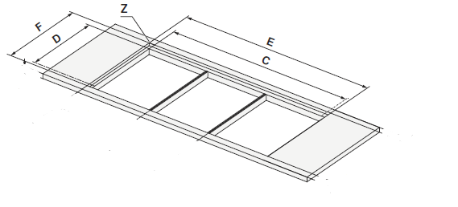
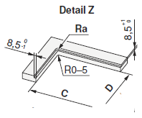
 | GK 46 IMXDF (31003) |  | Examples from planning aid
 | GK 46 TIMXSZO (31087)
80 | GK 46 TIABSZ (31097)
 | GK 47 TIMASZ (31083)
 | GK 46 TIMASZ(O) (31091)
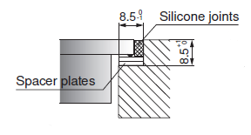
 | GK 46 IMADF (31059)
90 | GK 57 TIMSZ(O) (31082)
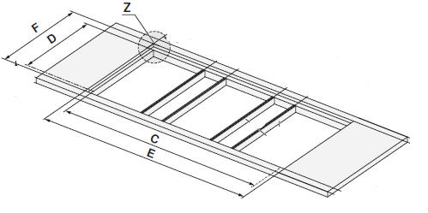
 | GK 56 TIMSZ(O) (31081)
 | GK 11 TIFKZ(S) (31062)

 | Selection of DSMS
DSMS | DESIGN HOB EXTRACTOR DSMS (64005)

