Ausschnitt GK und DSMS
SURFACE-MOUNTED COMBINATION Cut-out for combined appliance installation Induction hobs or Induction hobs with DSMS up to maximum size 70 for models from 2017/2018 (specified dimensions in mm) Appliance not listed may not be combined (for example Panorama hobs)

Size | Selection of Induction hobs | Number of appliances | Version surface-mounted combination
30 | GK 26 TIMSZ (31084)
40 | GK 17 TIYSZ (31076) |  | Cut-out width C in mm = | 0
 | GK 27 TIMSZ (31085)
60 | GK 27 TIYSZ (31077) |  | Cut-out depth D in mm = | 0
 | GK 46 TIMSZ(O) (31086)
 | GK 47 TIMSZ(O) (31099)
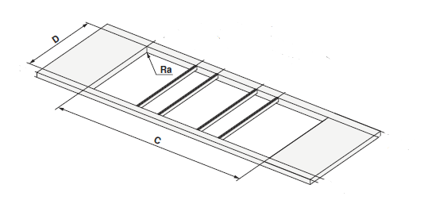
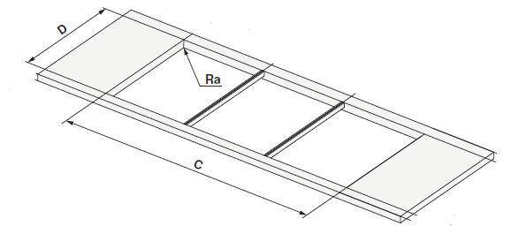
 | GK 46 TI(M)GZ (31078, 31090) |  | Examples from planning aid: with and without DSMS
70 | GK 46 TIMXSZ (31087)
 | GK 47 TIMXSZ (31098)
 | GK 46 TIMXSZO (31087)

 | Selection of DSMS
DSMS | DESIGN HOB EXTRACTOR DSMS (64005)

